NIH Salary Cap Updated
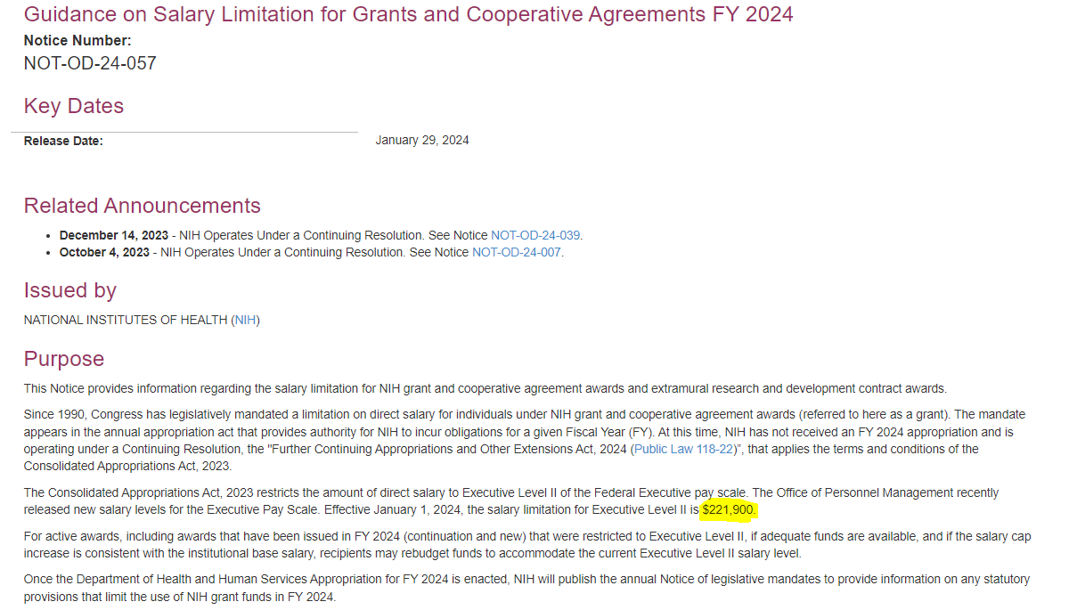
Year | Salary Cap FY | Salary Cap AY | Monthly Cap | $ Increase over prior year | % Increase Over Prior Year
FY 12 | $179,700 | $134,775 | $14,975
2014 | $181,500 | $136,126 | $15,125 | $1,800 | 1.002%
2015 | $183,300 | $137,475 | $15,275 | $1,800 | 0.992%
2016 | $185,100 | $138,825 | $15,425 | $1,800 | 0.982%
2017 | $187,000 | $140,250 | $15,583 | $1,900 | 1.026%
2018 | $189,600 | $142,200 | $15,800 | $2,600 | 1.390%
2019 | $192,300 | $144,225 | $16,025 | $2,700 | 1.424%
2020 | $197,300 | $147,975 | $16,442 | $5,000 | 2.600%
2021 | $199,300 | $149,475 | $16,608 | $2,000 | 1.014%
2022 | $203,700 | $152,775 | $16,975 | $4,400 | 2.208%
2023 | $212,100 | $159,075 | $17,675 | $8,400 | 4.124%
2024* | $221,900 | $166,425 | $18,492 | Four Year Average |  | Actual 2024
 |  |  |  | $4,950 | 2.486% | $9,800
* Changed from projected to actuals - Just released 1/29/24, effective 1/1/24 |  |  |  | $18,114 | Projected Mo Cap | 4.620%

Salary Cap Used for Tool | $217,000.0 | $162,750.00 | $18,083.33

